Layout
IR3. | lineSensors. |  | initThreeSensors() |  | proxSensors. |  | initThreeSensors() |  | The jumpers to select between
readLeft() |  |  | read(LS,1) | : 0..2000 |  |  | read() | : 0..6 | 1. 3 line sensors + 3 proximity sensors
readFront() |  |  |  |  |  |  |  |  | 2. 5 line sensors + 1 pximity sensor
readRight() |  | LS[0] |  |  | LS[1] |  |  | LS[2] | are under the sensor board behind the
 |  |  | countsFrontWithLeftLeds() |  |  | countsFrontWithRightLeds() |  |  | front blade
These are alternative |  |  |  |  | readBasicFront() |  | : 0..1
for lineSensors
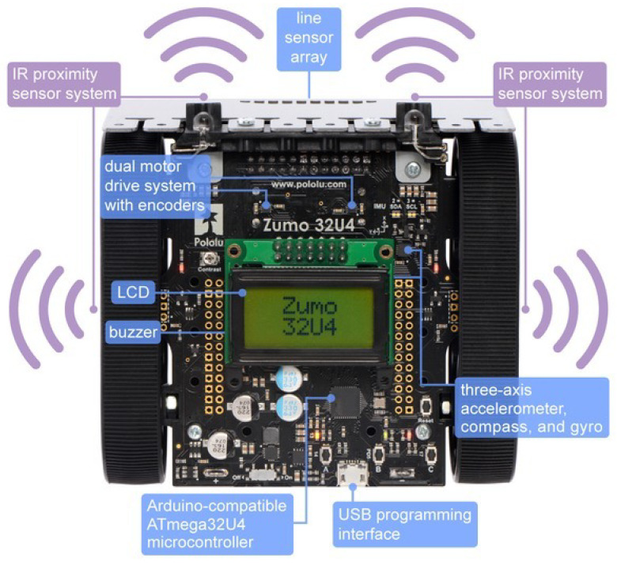
returning 0..100
to indicate how much
line is seen

motors.
setLeftSpeed(val) |  |  |  |  |  |  |  |  | setRightSpeed(val)
val = -400..400 |  |  |  |  |  |  |  |  | val = -400..400
setSpeeds(left,right)

encoders. |  |  |  |  |  |  |  |  | encoders.
getCountsLeft() |  |  |  |  |  |  |  |  | getCountsLeft()

countsLeftWithLeftLeds() |  |  |  |  |  |  |  |  | countsRightWithRightLeds()
readBasicLeft() | : 0..1 |  |  |  |  |  |  |  | readBasicRight() |  | : 0..1

lcd.
clear() |  |  |  |  |  |  |  |  | L3G gyro;
print(txt) |  |  |  |  |  |  |  |  | turnSensorSetup()
gotoXY(col,row) |  |  |  |  |  |  |  |  | turnSensorReset()
loadCustomCharacter(pict,nr) |  |  |  |  |  |  |  |  | turnSensorUpdate()
 |  |  |  |  |  |  |  |  | turnAngle | Deg
buzzer. |  |  |  |  |  |  |  |  | turnRate | Deg / 14.3 sec
play(txt)
isPlaying() | : 0..1
playFromProgramSpace() |  |  |  |  | ledYello | ledGreen | ledRed
playNote(note,dur,vol)
 |  |  |  | buttonA. |  | buttonB. |  | ButtonC.
 |  |  |  | isPressed() |  | isPressed() |  | isPressed()
 |  |  |  | waitForButton()

 |  |  |  | ledYellow(val) |  | ledGreen(val) |  | ledRed(val) | val = 0..1

